Notes
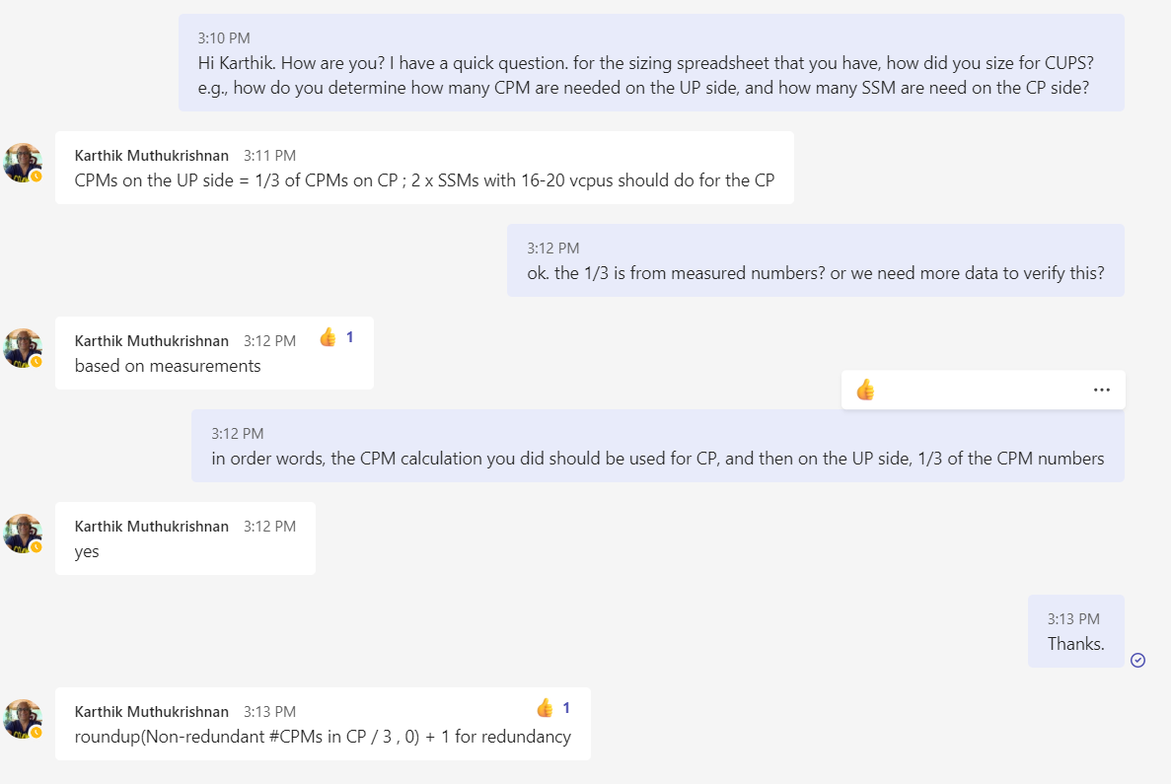
* limit on the max session per cluster
* max number of ISM/CPM per cluster

AT&T Core Mapping
Core | systemCPUStats_core | R11 Function | R12 Function
0 | 1 | Linux1 | Linux1
1 | 2 | Linux2 | Linux2
2 | 3 | Linux3 | Linux3
3 | 4 | Linux4 | Linux4
4 | 5 | Linux5 | Linux5
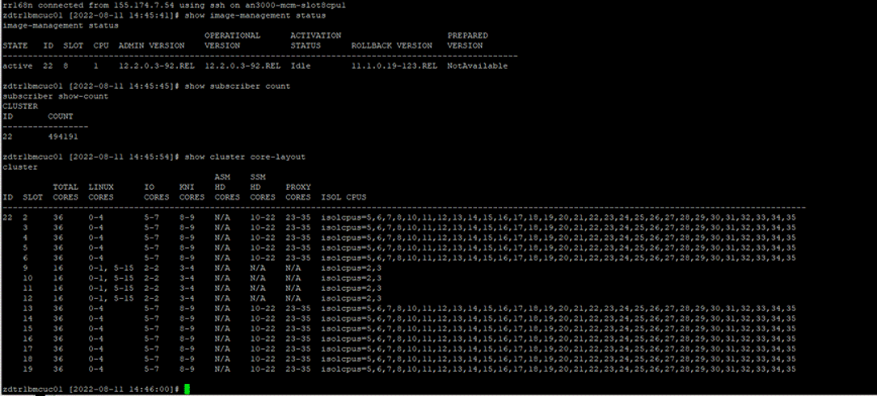
5 | 6 | Linux6 | io core rx_lb_tx_1
6 | 7 | io core rx_lb_tx | io core rx_lb_tx_2
7 | 8 | io core rx_lb_tx | io core rx_lb_tx_3
8 | 9 | io core rx_lb_tx | kni core
9 | 10 | kni core | kni core
10 | 11 | kni core | s-hd
11 | 12 | a-hd | s-hd
12 | 13 | s-hd | s-hd
13 | 14 | s-hd | s-hd
14 | 15 | s-hd | s-hd
15 | 16 | s-hd | s-hd
16 | 17 | s-hd | s-hd
17 | 18 | s-hd | s-hd
18 | 19 | s-hd | s-hd
19 | 20 | s-hd | s-hd
20 | 21 | s-hd | s-hd
21 | 22 | s-hd | s-hd
22 | 23 | s-hd | s-hd
23 | 24 | s-hd | proxy
24 | 25 | proxy | proxy
25 | 26 | proxy | proxy
26 | 27 | proxy | proxy
27 | 28 | proxy | proxy
28 | 29 | proxy | proxy
29 | 30 | proxy | proxy
30 | 31 | proxy | proxy
31 | 32 | proxy | proxy
32 | 33 | proxy | proxy
33 | 34 | proxy | proxy
34 | 35 | proxy | proxy
35 | 36 | proxy | proxy
36 | 37 | NA | NA
37 | 38 | NA | NA
38 | 39 | NA | NA
39 | 40 | NA | NA

Test&Deployment Inputs
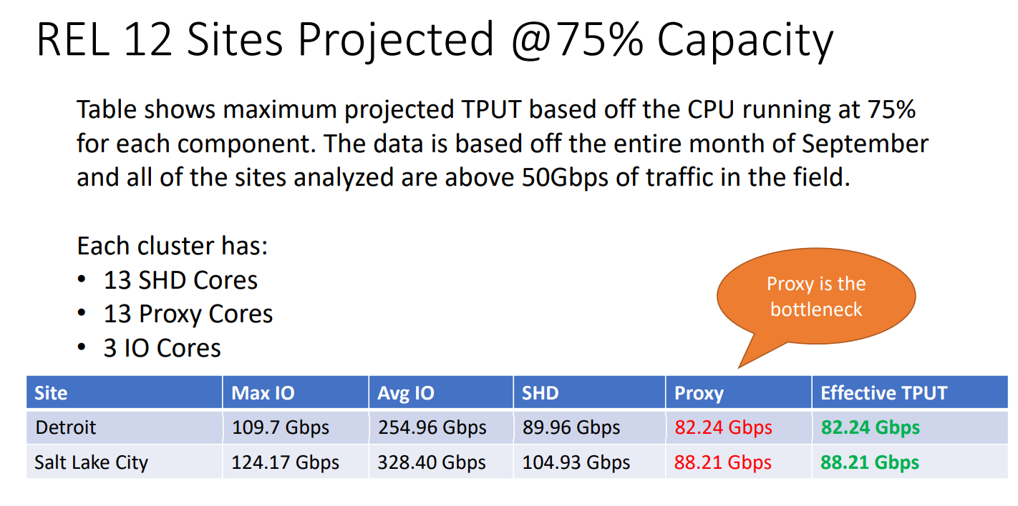
MCC Release used for sizing | 12.2
SSM HD Tput Max @ design util | 1.8 |  |  | R12 | SHD | Proxy
EW Tax | QA Lab data analyzed | 25% |  | Detriot | 0.5767 | 0.4481
NAT Impact | QA Lab data analyzed | 20% |  | Salt Lake City | 0.6726 | 0.4806
DPI Impact ( 100 - 150 HRG) | QA Lab data analyzed | 40%
 |  |  |  |  | 0.6246 | 0.4644
Field Effect | Blackbird | 25%
Blackbird Util max - UP | Blackbird | 75%
Blackbird Util max - CP | Blackbird | 70%

R12.2oR11.1 improvement | Blackbird | 20%
Applicable Improvement | Deployment | 20%
per SHD Gbps @ design max util (R12.2) | Blackbird | 0.625 |  |  |  | 63.75
per proxy Gbps @ design max util | Blackbird | 0.44 | 6.25 |  |  | 0.44270833333
per I/O Gbps | Blackbird | 8.00
Blackbird Proxy % | Blackbird | 85%

Blackbird - # SHD vCPUs | Blackbird | 12 |  |  | 0.52083333333
Blackbird - #proxy vCPUs | Blackbird | 12
Blackbord - Average Packet Size (Bytes) | Blackbird | 1200

CPM/DCM/CCM:
Blackbird - CP TPBH-Session | Blackbird | 80
Blackbird - CP Session Capacity per Cluster | Blackbird | 6,000,000
Blackbird - CP CPI pe cluster | Blackbird | 160
Blackbird - CP Session Capacity per CPI | Blackbird | 37,500
Blackb ird - CP Capacity - TPBH per CPI | Blackbird | 3,000,000
Blackbird - CPI Capacity - TPS | Blackbird | 833
Blackbird - #DCMs | Blackbird | 10
Blackbird per session Memory (kB) | Blackbird | 143
DCM/CPM on boot memory usage (GB) | release | 12.5

GTP Proxy CPM per session Memory (From VF) - KB | VF | 32
GTP Proxy SSM per session Memory (From Vf GTPProxy) - KB | VF | 64
GTP Proxy - APS - BYTES | VF | 500

UP SSM
UP per session mem on SSM (kB) | 1,500 | about 1500 for consumer, and 2000 for resellers as of July 2022.
UP per session mem on CPM (kB) | 250 | about 160 for consumer sites, and 250 for resellers as of July 2022.

